button strategy
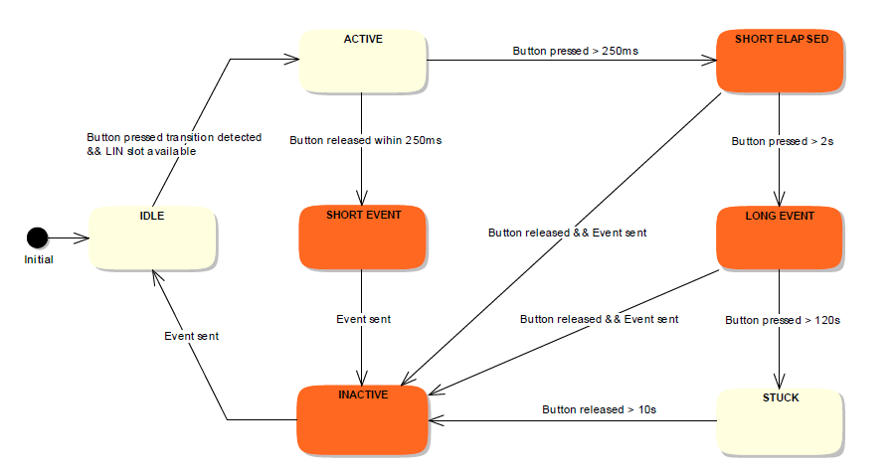

1.5s

1.2.3 BUTTON-SR-REQ-116455/A-Reset ButtonID after button release If a button is "released" after "pressed" and an "inactive/Not_Pressed " was sent at least once then the corresponding ICPBtnID/ButtonNameID Byte will be changed to "Idle". If the ButtonID-Code is "Idle" then the appropriate ICPBtnCoding/ButtonActivationState Nibble is a don’t care and should always be "Inactive/Not_Pressed".

